1. Title Page
Instacart Grocery Basket Analysis

Project Name: Coding Etiquette & Excel Reporting
Date: 24 January 2022
Analyst Name: Julian Were

 | Objective
Instacart, an online grocery store operates through an app. Instacart already has very good sales, but they want to uncover more information about their sales patterns. The objective is to perform an initial data and exploratory analysis of some of their data in order to derive insights and suggest strategies for better segmentation based on the provided criteria.

Contents:
Population Flow
Consistency checks
Wrangling steps
Column derivations
Visualizations
Recommendations

The Instacart Online Grocery Shopping Dataset 2017”, Accessed from https://www.instacart.com/datasets/grocery-shopping-2017 in January 2022
Citation:

2. Population Flow
 |  | Title page

Population flow

Exclusion flag
Condition: max_order <5 - Customers with less than 5 orders.
Obervations to be removed: 1440295
Final total count of order_products_all: 30964564

Orders_products_combined
Orders_products_merged
Orders_products_all

Total:
Total:
Total: 32434489
32484161 | 32404859

1.) The grey boxes in the first row of the population flow represent the original data sets as they were when you downloaded them. In the Total fields you need to add the count of the rows when you imported the data set into Jupyter.
2.) The second row of boxes (coloured) represents the data sets after you manipulated them, e.g., removed missing values and duplicates. In the Total fields you need to add the count of the rows after conducting these operations. This offers a visual oveview of how the data flows throughout the data consistency checks.
3.) The third row, where also the arrows are coloured, represents the merges you performed between the datasets. In the Total fields you need to add the count of the rows in the merged datasets, so that you end up with the final dataset (in the red box). Keep in mind the final dataset should be without exclusions (based on the exclusion flag).

3. Consistency checks
 |  |  |  | Title page
Consistency checks

Dataset | Missing values | Missing values treatment | Duplicates
orders | 206209 Nan Values | Nan Values imputed | N/A
products | 16 | Removed | 5
orders_products_prior | 0 | N/A | 0
customers | 0 | N/A | 0

4. Wrangling steps
 |  |  |  | Title page
Wrangling steps

Columns dropped | Columns renamed | Columns' type changed | Comment/Reason
eval_set | Surnam changed to Surname | user_id changed to'string' | Not Required
 |  | order_id changed to'string'
First Name |  |  | Data Ethics
Last Name |  |  | Data Ethics
orders_products_merged | Prices over $100 | max_price changed to $25 | Unlikely, customers will pay $100 at supermarket

5. Column derivations
 |  |  |  | Title page

Column derivations and aggregations

In this tab you should add tables below that the frequences of flags/label variables that you produced after deriving them. NB: don't do this for continuous variables, only for flags.
Dataset | New column | Column/s it was derived from | Conditions
order_products_merged | price_range_loc | prices | <5, >5, >15$ conditions for product range
order_products_merged | age_groups | age | categorise age by generation groups
order_products_merged | income_tier | income | Rank income from lowest to highest in tiers
order_products_merged | Region | State Column/online/Wikipedia Article | States to correspond with respective regions
order_products_merged | Spending_flag | average_price | <10, >10 of average price
order_products_merged | Loyalty_flag2 | max_order | <$10, <$40, >$40 [max order]
order_products_merged | busiest_period_of_day | order_hour_of_day | Assessment of when orders most made
order_products_merged | customer profile | no_dependants, fam_status, age, order_dow | df created to include profile variables
order_products_merged | parent_status | no_of_dependants column. | >1 = Parent, == 0 = Not_a_parent

6. Visualizations
 |  |  |  |  |  | Title page

Visualisations

In this tab you should include all the visualtions from Exercises 4.9 and 4.10, alongside the questions from the project brief that they answer. Include any commentary on the relationship between different variables.

Q1. The sales team needs to know what the busiest days of the week and hours of the day are (i.e., the days and times with the most orders) in order to schedule ads at times when there are fewer orders.

Answer1.2: The busiest days of the week is represented on the x-axis, as '0'. From the project brief this number represents Saturday .

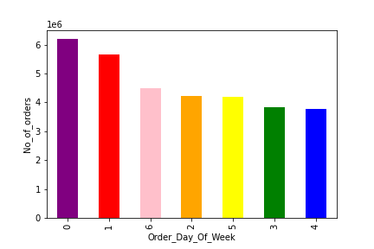

Answer 1b: The busiest hours of the day, are in the afternoon, between 10am-3pm

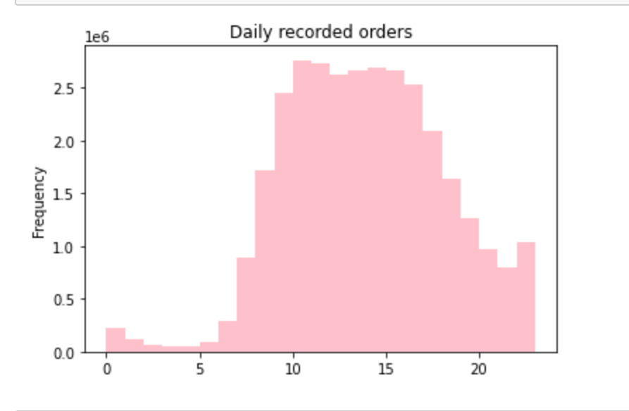

Q2, They also want to know whether there are particular times of the day when people spend the most money, as this might inform the type of products they advertise at these times.

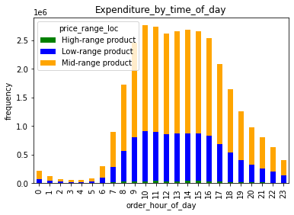

Answer Q2: Expenditure is at it's highest in between 10am -3pm. Interestingly, a high number of medium range, and low-range products are highest. The graph suggests there a few customers spending money on 'High-range products.

Q3. Instacart has a lot of products with different price tags. Marketing and sales want to use simpler price range groupings to help direct their efforts.

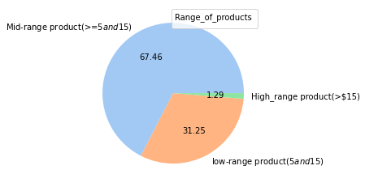

Answer Q3: The pie chart depicts products in a 'low', 'mid', and 'high' cohort. From the data, Mid-range products sell the highestm followed by low range products.

Q4.Are there certain types of products that are more popular than others? The marketing and sales teams want to know which departments have the highest frequency of product orders.

 |  |  |  | Legend
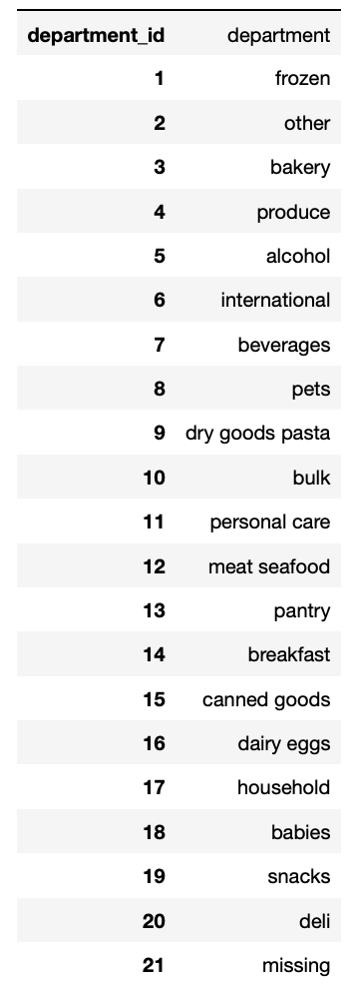

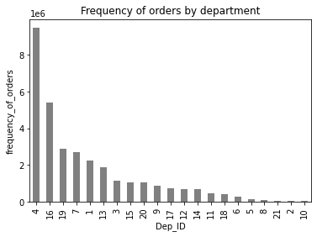

 |  |  |  |  | Further Analysis

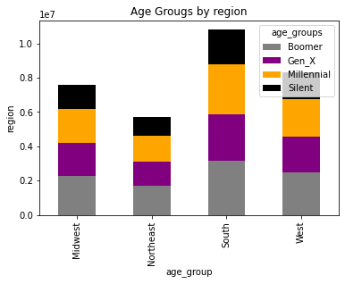

Answer Q4. In the chart above we can see that the top 3 products are 'Produce', 'Dairy eggs', and 'Snacks' with the highest frequency orders.

Q5. The marketing and sales teams are particularly interested in the different types of customers in their system and how their ordering behaviors differ.

Question 5a. What’s the distribution among users in regards to their brand loyalty?

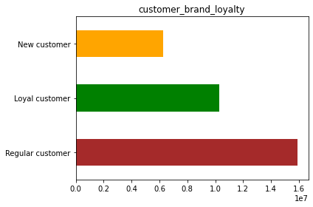

Answer 5a. 'Regular' customers reflect the highest in regards to 'brand loyalty', with 'Loyal' and 'New' customes follwoing suit.

Question 5b.
Type of customer | Order_Frequency
Regular customer | 15876776
loyal customer | 10284093
New customer | 6243990

Answer 5b. There are differences in ordering habits in relation to loyalty status as explained above. What is interesting to observe is that the margins between loyalty status are not that far apart. I think there is scope to turn 'New customers' into 'Regular customers' in the near future.

Question 5c: Are there differences in ordering habits based on a customer’s region?

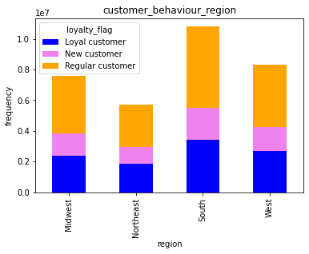

Answer 5c: There are clear differences in ordering habits per region. The 'South' reflects the highest orders, with the 'West' and 'Midwest' very close to each other. Overall, the graph suggests to me that there is healthy competiton between regions, which is a good indicator for Instacart's future sales

Question 5d: Is there a connection between age and family status in terms of ordering habits?

Graph 1

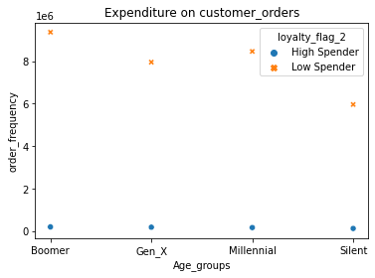

Table 2
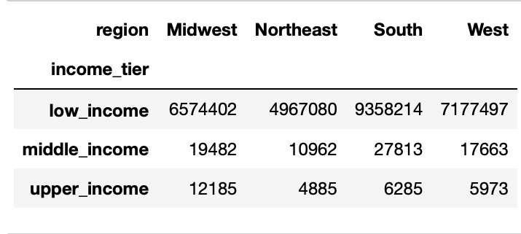

Table 3

Demographic information: Age & Family Status

fam_status | age_groups | Total_frequency_of_orders | Legend
divorced/widowed/married | Boomer | 9562643 | Millennial >=18
divorced/married | Silent | 3837653 | Boomer >=35
married/living with parents | Millennial | 7077052 | Gen X >=51
married/single | Gen X | 8134570 | Silent >=70

Answer 5d: The scatterplot in Graph 1 indicates that across all age groups, there is a high proportion of customers recordered under the 'low' spending bracket in relation to ordering habits. On the contrary, there is a significantly smaller number of customers in the 'high' spending bracket across the age groups. But why is this? One particular reason, can be explained in the 'Table 2' which tells us that acoss ll regions, there is a signficantly high frequency of customers on a 'low income'.

Answer 5d. Part 2. 'Table 3' represents the connection between age group and customer orders. The 'Boomer' and 'Gen X' generation/group have the highest orders. Table 3, indicates that some customers in all age groups live with another party based on their fam_status (specifically under 'married'). I think this could be an excellent opportunity for Instacart to market its business to target new customer's living with exisiting customers to increase future sales.

Question 5e. What different classifications does the demographic information suggest? Age? Income? Certain types of goods? Family status?
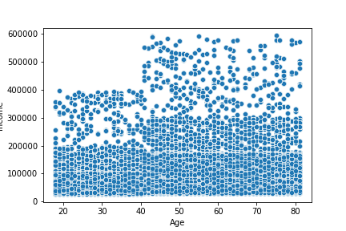

Answer 5e. The graph informs us that customers aged 40 and above, have a much higher income than younger customers across demographics. And previously we establised that a small proportion of customes represent 'high' spenders. And so, understanding the reasons behind these differenct classifications is important in improving Instacarts marketing strategy and improving future sales.

Question 5f. What differences can you find in ordering habits of different customer profiles? Consider the price of orders, the frequency of orders, the products customers are ordering, and anything else you can think of.

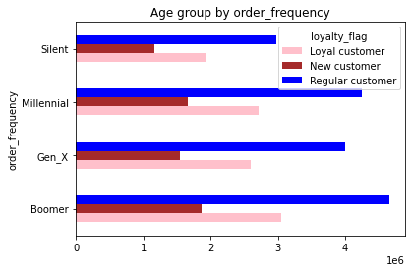

Answer 5f. Considering customer profiles by looking at Age, we can see that 'Boomer' and 'Millennial' groups display the highest frequency of orders. And this is a perfect opportnity for Instacart to apply customer retention strategies, which will help maintain customer relationships, increase their lifetime value, and boost Instacarts revenue sales.

Recommendations:

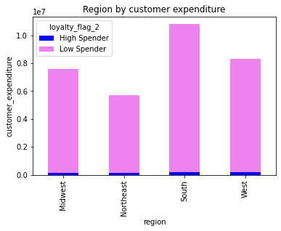

In summary, the demographic information suggests the 'South' has the highest orders by region. There is scope to grow the business by targeting new customers that live with a second or third party, with the goal of increasing its customer base and revenue.
I think the 'Income' variable has impacted customer orders across all demographics, with only a small proportion considered high spenders. Instacart should capture customers in 'high' and 'middle' income brackets and make them esteemed constumers through incentives like 'customer loyalty ' programs thereby driving spending on orders and boosting sales.

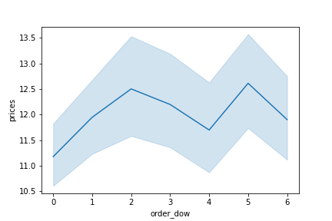

Earlier we establised that order_dow '6' which represents Saturday had the highest orders. Naturally, you would expect this as it's the weekend, and people tend to have more free time, to spend more on stocking up for the upcoming week. I recommend that Instacart utilise this information to ensure enough stock/inventory during weekends to meet demand, drive sales and increase revenue. And the opposite for less 'busy' days, to prevent a negative surplus.
It would be also interesting to carry out further research to understand the sudden dip in prices on Thursday (4). I think getting more insight here can be useful in helping Instacart achieve its sales goals.

Age is a powerful metric for targeting and analyzing your ideal audience. In the case of Instacart, the graph tells us that similar age range can be seen across America. What does this mean for instacart? Whilst I acknowledge the benefits audience targeting, Instacart need to beaware of stereotype assumptions about age groups. There can be consequences in doing this. So, I recommend that Instacart apply a second data or third element to age to add depth toi it's personas. And i think some variables such as 'income', and s'hopping patterns' can help here. Please see why below;

7. Recommendations
 |  |  |  |  |  | Title page

Recommendations

Please note that recommendations are at the bottom of this excel spreadsheet.

Q1. The sales team needs to know what the busiest days of the week and hours of the day are (i.e., the days and times with the most orders) in order to schedule ads at times when there are fewer orders.

Answer1.2: The busiest days of the week is represented on the x-axis, as '0'. From the project brief this number represents Saturday .

Answer 1b: The busiest hours of the day, are in the afternoon, between 10am-3pm

Q2, They also want to know whether there are particular times of the day when people spend the most money, as this might inform the type of products they advertise at these times.

Answer Q2: Expenditure is at it's highest in between 10am -3pm. Interestingly, a high number of medium range, and low-range products are highest. The graph suggests there a few customers spending money on 'High-range products.

Q3. Instacart has a lot of products with different price tags. Marketing and sales want to use simpler price range groupings to help direct their efforts.

Answer Q3: The pie chart depicts products in a 'low', 'mid', and 'high' cohort. From the data, Mid-range products sell the highest followed by low range products.

Q4.Are there certain types of products that are more popular than others? The marketing and sales teams want to know which departments have the highest frequency of product orders.

 |  |  |  | Legend

 |  |  |  |  | Further Analysis

Answer Q4. In the chart above we can see that the top 3 products are 'Produce', 'Dairy eggs', and 'Snacks' with the highest frequency orders.

Q5. The marketing and sales teams are particularly interested in the different types of customers in their system and how their ordering behaviours differ.

Question 5a. What’s the distribution among users in regards to their brand loyalty?

Answer 5a. 'Regular' customers reflect the highest in regards to 'brand loyalty', with 'Loyal' and 'New' customs following suit.

Question 5b.
Type of customer | Order_Frequency
Regular customer | 15876776
loyal customer | 10284093
New customer | 6243990

Answer 5b. There are differences in ordering habits in relation to loyalty status as explained above. What is interesting to observe is that the margins between loyalty status are not that far apart. I think there is scope to turn 'New customers' into 'Regular customers' in the near future.

Question 5c: Are there differences in ordering habits based on a customer’s region?

Answer 5c: There are clear differences in ordering habits per region. The 'South' reflects the highest orders, with the 'West' and 'Midwest' very close to each other. Overall, the graph suggests to me that there is healthy competition between regions, which is a good indicator for Instacart's future sales

Question 5d: Is there a connection between age and family status in terms of ordering habits?

Graph 1

Table 2

Table 3

Demographic information: Age & Family Status

fam_status | age_groups | Total_frequency_of_orders | Legend
divorced/widowed/married | Boomer | 9562643 | Millennial >=18
divorced/married | Silent | 3837653 | Boomer >=35
married/living with parents | Millennial | 7077052 | Gen X >=51
married/single | Gen X | 8134570 | Silent >=70

Answer 5d: The scatterplot in Graph 1 indicates that across all age groups, there is a high proportion of customers reordered under the 'low' spending bracket in relation to ordering habits. On the contrary, there is a significantly smaller number of customers in the 'high' spending bracket across the age groups. But why is this? One particular reason, can be explained in the 'Table 2' which tells us that across all regions, there is a significantly high frequency of customers on a 'low income'.

Answer 5d. Part 2. 'Table 3' represents the connection between age group and customer orders. The 'Boomer' and 'Gen X' generation/group have the highest orders. Table 3, indicates that some customers in all age groups live with another party based on their fam_status (specifically under 'married'). I think this could be an excellent opportunity for Instacart to market its business to target new customer's living with existing customers to increase future sales.

Question 5e. What different classifications does the demographic information suggest? Age? Income? Certain types of goods? Family status?

Answer 5e. The graph informs us that customers aged 40 and above, have a much higher income than younger customers across demographics. And previously we established that a small proportion of customs represent 'high' spenders. And so, understanding the reasons behind these different classifications is important in improving Instacart's marketing strategy and improving future sales.

Question 5f. What differences can you find in ordering habits of different customer profiles? Consider the price of orders, the frequency of orders, the products customers are ordering, and anything else you can think of.

Answer 5f. Considering customer profiles by looking at Age, we can see that 'Boomer' and 'Millennial' groups display the highest frequency of orders. And this is a perfect opportunity for Instacart to apply customer retention strategies, which will help maintain customer relationships, increase their lifetime value, and boost Instacart's revenue sales.

Section: Recommendations:

In summary, the demographic information suggests the 'South' has the highest orders by region. There is scope to grow the business by targeting new customers that live with a second or third party, with the goal of increasing its customer base and revenue.
I think the 'Income' variable has impacted customer orders across all demographics, with only a small proportion considered high spenders. I recommend that nstacart capture customers in 'high' and 'middle' income brackets and make them esteemed consumers through incentives like 'customer loyalty ' programs thereby driving spending on orders and boosting sales.

Earlier we established that order_dow '6' which represents Saturday had the highest orders. Naturally, you would expect this as it's the weekend, and people tend to have more free time, to spend more on stocking up for the upcoming week. I recommend that Instacart utilise this information to ensure enough stock/inventory during weekends to meet demand, drive sales and increase revenue. And the opposite for less 'busy' days, to prevent a negative surplus.
It would be also interesting to carry out further research to understand the sudden dip in prices on Thursday (4). I think getting more insight here can be useful in helping Instacart achieve its sales goals.

Age is a powerful metric for targeting and analysing your ideal audience. In the case of Instacart, the graph tells us that similar age range can be seen across America. What does this mean for Instacart? Whilst I acknowledge the benefits audience targeting, Instacart need to beware of stereotype assumptions about age groups. There can be consequences in doing this. So, I recommend that Instacart apply a second data or third element to age to add depth to it's personas. And I think some variables such as 'income', and shopping patterns' can help here. Please see why below;

